SHIPPING
Zone: | 1 | 2 | 3 | 4
1-3 boxes | $5 | $10 | $10 | $15
4-8 boxes | $10 | $10 | $15 | $20
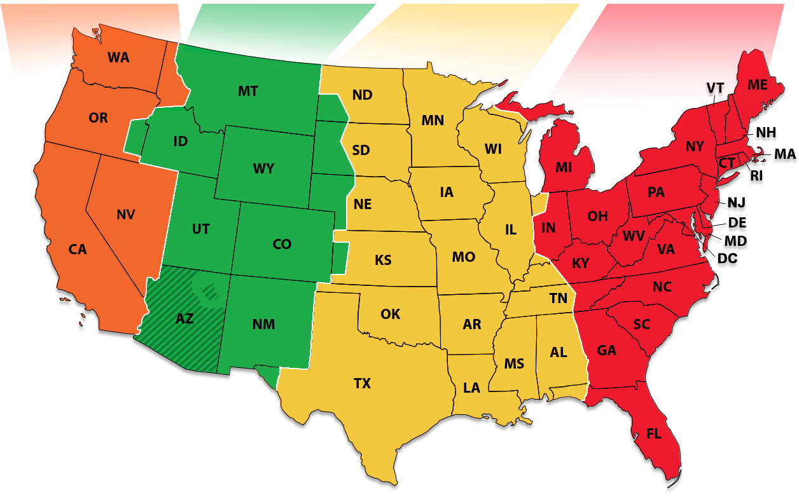
9-11 boxes | $10 | $15 | $20 | $25
Mastercase | $20 | $20 | $25 | $30
 |  |  |  |  | Pallet layers | 11
Zone 1: |  |  |  |  | 5 layers | 55
CA, NV, OR, WA, ID
 |  |  |  |  | 12 displays in box
Zone 2:
UT, MT, WY, CO, AZ, NM |  |  |  |  | 11
 |  |  |  |  | 11
Zone 3: |  |  |  |  | 6
ND, SD, NE, KS, OK, TX
MN, IA, MO, AR, LA, IN
WI, IL, MS, AL, TN, KY

Zone 4:
MI, OH, WV, VA, NC, SC
GA, FL, DC, PA, DE, MD
RI, NY, CT, MA. NH, VT |  |  | *Note: Idaho is in Zone 1
NJ, ME, AK, HI

LTL Freight %
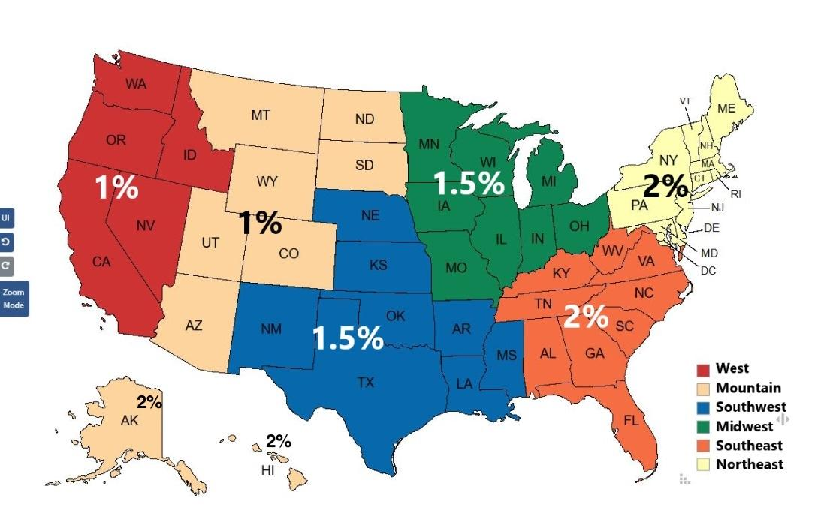

 |  |  |  |  |  |  | West - Ben
 |  |  |  |  |  |  | Mountain - Brandon
 |  |  |  |  |  |  | Southwest - Jared
 |  |  |  |  |  |  | Midwest - Joe
 |  |  |  |  |  |  | Southeast - Z
 |  |  |  |  |  |  | Northeast - Derek

 |  |  |  |  |  |  |  | 11 per row mc

